Sheet1
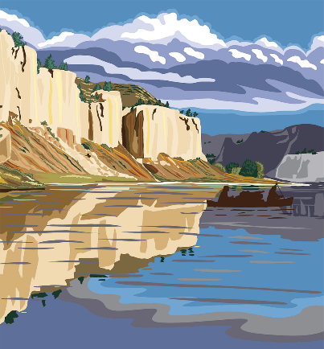
Vacation Package | Destination | Days | International
Vacation1 | Beach | 10 |  | Vacation3 | Beach | 3 | x | 14
Vacation2 | Desert | 5 |  | Vacation4 | Big City | 21 | 0
Vacation3 | Beach | 3 | x | Vacation6 | Desert | 7 | x
Vacation4 | Big City | 21 |  | Vacation7 | Desert | 5 | x
Vacation5 | Cruise | 20 |  | Vacation11 | Mountain | 15 | x
Vacation6 | Desert | 7 | x | Vacation12 | Desert | 7 | x
Vacation7 | Desert | 5 | x | Vacation13 | Beach | 21 | 0
Vacation8 | Beach | 15 |  | Vacation14 | Desert | 5 | x
Vacation9 | Desert | 10 |  | Vacation15 | Beach | 30 | 0
Vacation10 | Beach | 5 |  | Vacation18 | Cruise | 4 | x
Vacation11 | Mountain | 15 | x | Vacation19 | Road Trip | 15 | x
Vacation12 | Desert | 7 | x | Vacation20 | Fitness Camp | 30 | 0
Vacation13 | Beach | 21 |  | Vacation21 | Mountain | 12 | x
Vacation14 | Desert | 5 | x | Vacation24 | Big City | 5 | x
Vacation15 | Beach | 30
Vacation16 | Mountain | 8
Vacation17 | Big City | 5
Vacation18 | Cruise | 4 | x
Vacation19 | Road Trip | 15 | x
Vacation20 | Fitness Camp | 30
Vacation21 | Mountain | 12 | x
Vacation22 | Cruise | 5
Vacation23 | Big City | 7
Vacation24 | Big City | 5 | x
Vacation25 | Meditation | 11
Vacation26 | Road Trip | 14
Vacation27 | Big City | 9

